Participation
Gender group of the online traders
Gender group of online traders
Gender | Frequency | percentages
Male | 276 | 92%
Female | 24 | 8%

Age group of online traders
Age Group of the online traders

Age Group | Frequency | percentage
16-30 | 142 | 47%
30-40 | 96 | 32%
40-50 | 42 | 14%
50 and > | 20 | 7%

montly data
Month- | Jan | Feb | Mar | Apr | May | Jun | Jul | Aug | Sep | Oct | Nov | Dec | Yearly Average | Yearly return

2003 | -2.12% | 4.80% | 2.16% | -2.64% | -0.03% | -1.64% | -0.71% | 1.17% | 0.74% | 0.40% | -0.96% | -1.99% | -0.07% | -0.82%
2004 | 4.87% | -1.19% | -6.00% | 4.52% | 1.07% | 5.42% | 3.69% | 4.72% | -1.40% | -0.71% | 2.79% | -0.26% | 1.46% | 17.52%
2005 | 3.83% | 7.50% | 6.91% | 3.50% | -4.89% | 0.45% | 5.56% | -2.10% | 2.21% | 3.45% | -2.17% | 0.75% | 2.08% | 25.00%
2006 | 2.07% | 10.36% | -1.04% | 7.13% | 2.81% | 0.91% | 0.96% | 0.92% | 3.14% | 3.58% | 19.05% | 5.81% | 4.64% | 55.70%
2007 | -0.21% | -0.30% | -6.02% | 6.80% | 5.39% | 9.29% | 14.76% | 8.91% | 19.74% | -0.75% | 2.09% | 9.72% | 5.79% | 69.42%
2008 | -18.36% | -5.86% | -6.26% | 3.82% | 13.13% | 12.52% | 10.30% | 13.67% | -18.11% | -8.38% | -14.87% | -7.35% | -2.15% | -25.75%
2009 | -5.27% | 2.84% | -1.98% | -2.46% | 9.28% | -6.39% | 8.06% | -7.68% | -4.61% | -8.30% | -8.53% | 3.63% | -1.78% | -21.41%
2010 | -6.53% | -5.31% | -8.65% | -5.39% | 16.89% | -7.00% | 1.29% | -8.77% | -4.28% | 5.14% | -2.60% | -2.37% | -2.30% | -27.58%
2011 | 1.61% | -4.61% | -6.74% | -4.80% | -3.16% | -0.01% | 6.57% | -5.27% | -2.50% | -0.36% | -1.89% | -2.45% | -1.97% | -23.61%
2012 | -0.02% | -0.27% | -5.15% | 35.41% | -7.71% | 1.05% | 6.23% | 1.20% | 2.26% | 8.78% | 8.32% | 9.19% | 4.94% | 59.29%
2013 | -4.35% | 6.20% | -5.71% | -2.08% | -0.01% | -1.41% | 11.04% | 0.69% | -1.70% | 6.90% | 11.14% | 19.71% | 3.37% | 40.42%
2014 | 1.38% | 5.66% | -4.06% | 3.92% | 5.26% | 9.15% | 12.72% | -10.65% | -1.53% | -0.83% | -7.88% | 5.30% | 1.54% | 18.44%
2015 | 9.35% | -0.75% | -3.42% | -0.80% | -7.06% | 8.85% | 8.31% | 16.75% | -1.57% | -7.55% | -5.30% | 11.34% | 2.35% | 28.15%
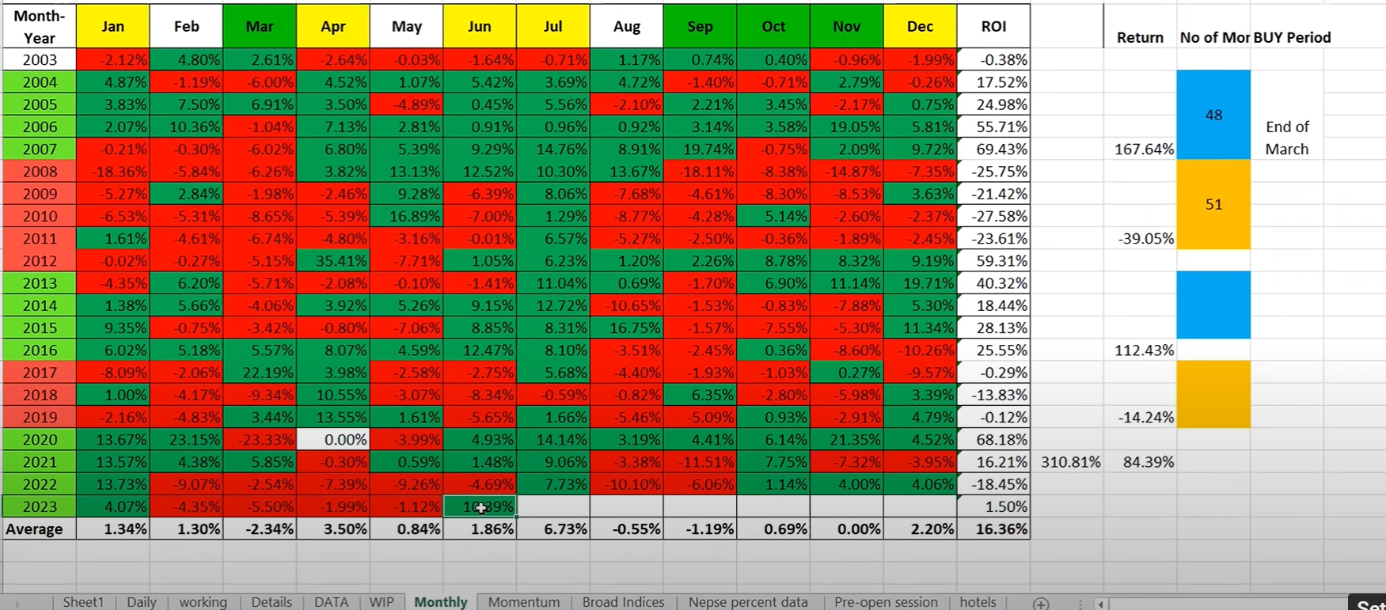
2016 | 6.02% | 5.18% | 5.57% | 8.07% | 4.59% | 12.47% | 8.10% | -3.51% | -2.45% | 0.36% | -8.60% | -10.26% | 2.13% | 25.54%
2017 | -8.09% | -2.06% | 22.19% | 3.98% | -2.58% | -2.75% | 5.68% | -4.40% | -1.93% | -1.03% | 0.27% | -9.57% | -0.02% | -0.29%
2018 | 1.00% | -4.17% | -9.34% | 10.55% | -3.07% | -8.34% | -0.59% | -0.82% | 6.35% | -2.80% | -5.98% | 3.39% | -1.15% | -13.82%
2019 | -2.16% | -4.83% | 3.44% | 13.55% | 1.61% | -5.65% | 1.66% | -5.46% | -5.09% | 0.93% | -2.91% | 4.79% | -0.01% | -0.12%
2020 | 13.67% | 23.15% | -23.33% | 0.00% | -3.99% | 4.93% | 14.14% | 3.19% | 4.41% | 6.14% | 21.35% | 4.52% | 5.68% | 68.18%
2021 | 13.57% | 4.38% | 5.85% | -0.30% | 0.59% | 1.48% | 9.06% | -3.38% | -11.51% | 7.75% | -7.32% | -3.95% | 1.35% | 16.22%
2022 | 13.73% | -9.07% | -2.54% | -7.39% | -9.26% | -4.69% | 7.73% | -10.10% | -6.06% | 1.14% | 4.00% | 4.06% | -1.54% | -18.45%
2023 | 4.07% | -4.35% | -5.50% | -1.99% | -1.12% | 10.39% | -2.08% | -5.45% | 0.69% | -6.98% | -0.31% | 10.32% | -0.19% | -2.31%
2024 | 1.40%
Monthly average | 1.34% | 1.30% | -2.36% | 3.50% | 0.84% | 1.86% | 6.31% | -0.78% | -1.10% | 0.33% | -0.01% | 2.59% | 24.14% | 13.80%

sector analysis
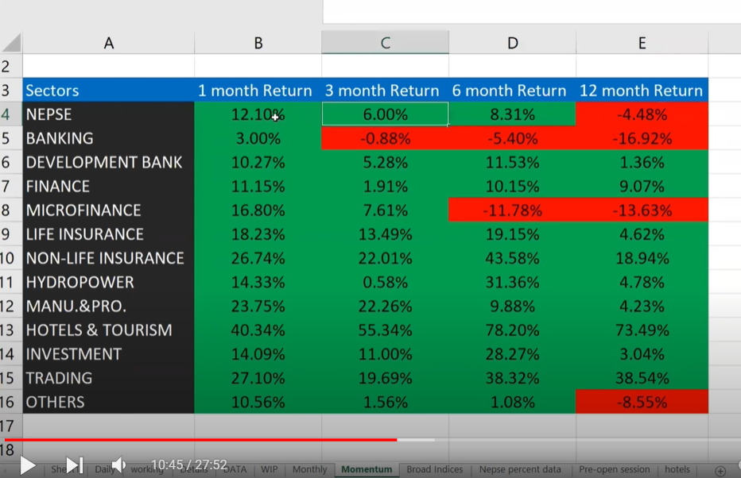
 |  | Sector analysis
 |  |  |  |  |  | Sector | NEPSE | BANKING | DEVBANK | FINANCE | MICROFINANCE | LIFE INSURANCE | NON-LIFE INSURANCE | HYDROPOWER | MANU.&PRO. | HOTELS & TOURISM | INVESTMENT | TRADING | OTHERS
Sector | 1 month Returns | 3 month return | 6 month return | 12 month return | todays price | 2055.53 |  | 1206.39 | 3750.71 | 1714.24 | 3728.59
NEPSE | 10.01% | 7.18% | 1.29% | 1.29% | month closing | 1849.79
BANKING |  |  |  |  | 3 month closing | 1908
DEVBANK |  |  |  |  | 6 month closing | 2029
FINANCE |  |  |  |  | 12 month closing | 2029
MICROFINANCE
LIFE INSURANCE
NON-LIFE INSURANCE
HYDROPOWER
MANU.&PRO.
HOTELS & TOURISM
INVESTMENT
TRADING
OTHERS

